Sheet3
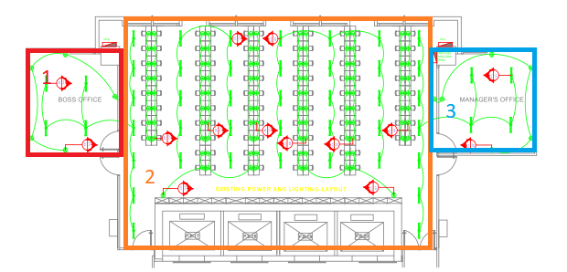

ROUGHING INS% | 50 | 50 | 50
WIRING% | 50 | 50 | 50
INSTALLED DEVICES% | 33 | 55 | 66

